ART
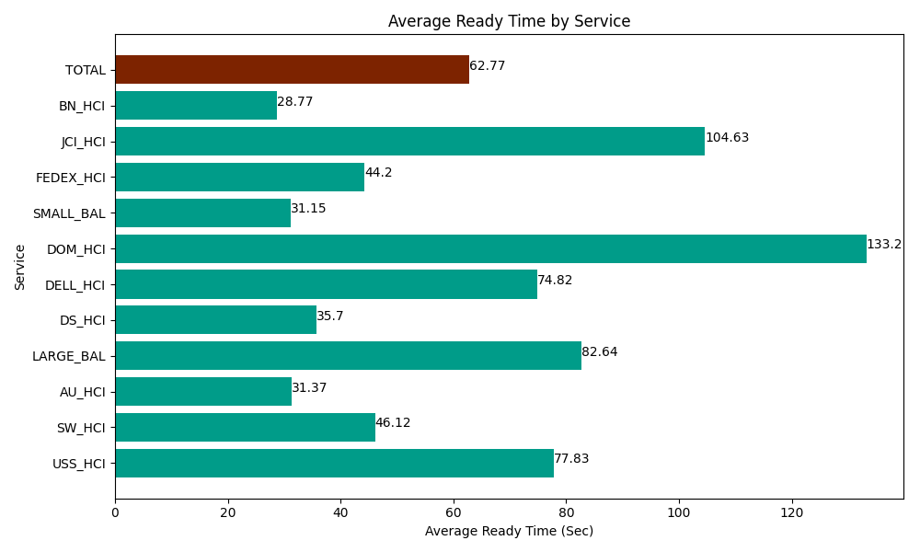
Date | Service | Successful Op Transfer | In Call (Sec) | Ready (Sec) | Wrapup (Sec) | Not Ready (Sec) | Average Ready Time (Sec)
04-24-2024 | USS_HCI | 64 | 8257.199707 | 4981.1997986 | 7183.2000732 | 2347.8000641 | 77.83
04-24-2024 | SW_HCI | 127 | 6039.0000916 | 5857.7998352 | 9056.9998169 | 10546.799927 | 46.12
04-24-2024 | AU_HCI | 477 | 40205.998535 | 14962.199707 | 50254.200439 | 44647.800293 | 31.37
04-24-2024 | LARGE_BAL | 11 | 761.99998856 | 908.99997711 | 2192.9999542 | 34.799998999 | 82.64
04-24-2024 | DS_HCI | 743 | 47104.200439 | 26524.799194 | 82705.803223 | 65128.798828 | 35.7
04-24-2024 | DELL_HCI | 149 | 12501.000366 | 11148.000183 | 45505.799561 | 25392.000732 | 74.82
04-24-2024 | DOM_HCI | 9 | 355.20000458 | 1198.7999725 | 403.19998741 | 52.200000286 | 133.2
04-24-2024 | SMALL_BAL | 276 | 16105.799561 | 8596.2002563 | 35412.000732 | 33913.798828 | 31.15
04-24-2024 | FEDEX_HCI | 62 | 5029.1999817 | 2740.1998901 | 4957.2001648 | 2332.8000641 | 44.2
04-24-2024 | JCI_HCI | 236 | 23131.199341 | 24691.799927 | 29511.000366 | 8032.800293 | 104.63
04-24-2024 | BN_HCI | 1197 | 70278.00293 | 34440 | 117949.79736 | 48347.999268 | 28.77
 | TOTAL | 3351 | 229768.80095 | 136049.99874 | 385132.20168 | 240777.5983 | 62.77

